Screen (SAD0011)
 |  |  | BASIC DESIGN |  |  |  |  |  |  |  |  |  | SYS-ID |  | POM |  |  | PJT-CD |  | POMS-001
 |  |  |  |  |  |  |  |  |  |  |  |  | SYS-Title |  | SANKYU PC Ordering Management System
 |  |  | Function |  |  | [FAD001] Management |  |  |  |  |  |  | Created by |  | Soh |  |  | Updated by |  | Soh
 |  |  | Page |  |  | Screen Specification |  |  |  |  |  |  | Date |  | 21-Nov-17 |  |  | Date |  | 14-May-18

Screen |  |  |  |  | [SAD0011] Data Downloading

1. Screen Image

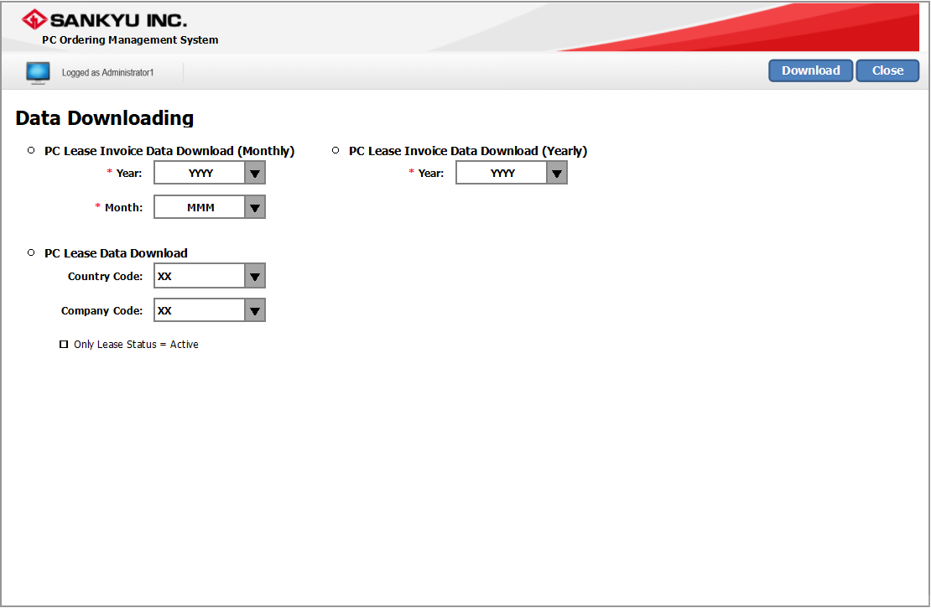

2. Screen Description

 | This screen is to allow the users to download the lease invoice data and lease data.

3. Item Definition

 | PC Lease Invoice Data Download (Monthly) if [USER_MST].USER_AUTHORITY = "3" (SANKYU Admin) → Hide Control |  |  |  |  |  |  |  |  |  |  |  |  |  |  |  |  |  |  |  |  | *Updated 10/May
 | # |  | Item |  |  |  | Type | TAB | Digit | Format |  | Character |  | Mandatory |  | Initial | Remarks
 | 1 |  | Selection |  |  |  | RadioButton | 1 | - | - |  | - |  | - |  | - | -
 | 2 |  | Year |  |  |  | ComboBox | 2 | 4 | YYYY |  | Alphanumeric |  | - |  | (Current Year) | -
 | 3 |  | Month |  |  |  | ComboBox | 3 | 3 | MMM |  | Alphanumeric |  | - |  | (Current Month) | if [USER_MST].USER_AUTHORITY = "3" (SANKYU Admin) → Hide Control |  |  |  |  | *Updated 10/May

 | PC Lease Invoice Data Download (Yearly) if [USER_MST].USER_AUTHORITY = "3" (SANKYU Admin) → Hide Control |  |  |  |  |  |  |  |  |  |  |  |  |  |  |  |  |  |  |  |  | *Updated 10/May
 | # |  | Item |  |  |  | Type | TAB | Digit | Format |  | Character |  | Mandatory |  | Initial | Remarks
 | 1 |  | Selection |  |  |  | RadioButton | 4 | - | - |  | - |  | - |  | - | -
 | 2 |  | Year |  |  |  | ComboBox | 5 | 4 | YYYY |  | Alphanumeric |  | - |  | (Current Year) | -

 | PC Lease Data Download
 | # |  | Item |  |  |  | Type | TAB | Digit | Format |  | Character |  | Mandatory |  | Initial | Remarks
 | 1 |  | Selection |  |  |  | RadioButton | 6 | - | - |  | - |  | - |  | - | -
 | 2 |  | Country Code |  |  |  | ComboBox | 7 | 2 | - |  | Alphanumeric |  | - |  | [COUNTRY_MST] | "ALL" + COUNTRY_CD Order By DISPLAY_ORDER asc |  |  |  |  | *Updated 10/May
 | 3 |  | Company Code |  |  |  | ComboBox | 8 | 2 | - |  | Alphanumeric |  | - |  | [COMPANY_MST] | <Blank> "ALL" + COMPANY_CD from [COMPANY_MST], [COUNTRY_MST] where [COMPANY_MST].COUNTRY_CD = [COUNTRY_MST].COUNTRY_CD Order By [COUNTRY_MST].DISPLAY_ORDER asc *if [Country Code] = "ALL" → show all [COMPANY_MST].COMPANY_CD |  |  |  |  | *Updated 10/May
 | 4 |  | Active Lease |  |  |  | CheckBox | 9 | - | - |  | - |  | - |  | - | -

4. Control Definition

 | # |  | Item |  |  |  | Type | TAB | Event |  | Shortcut Key |  | Performance |  |  |  |  |  |  |  | Popup
 | 1 |  | Download |  |  |  | Button | 7 | Single Click |  | - |  | Download selected report. Refer to 4.1. DOWNLOAD |  |  |  |  |  |  |  | Download
 | 2 |  | Close |  |  |  | Button | 8 | Single Click |  | - |  | Close screen. |  |  |  |  |  |  |  | Close

 | 4.1. DOWNLOAD
 | ※ If [Selection] = "PC Lease Invoice Data Download (Monthly)",
 |  | - if [USER_MST].USER_AUTHORITY = "2" (KDDI Admin)
 |  |  | - Go to "Excel PC Lease Invoice Data (K)" sheet
 |  |  | - Refer to "Output (FA)" sheet
 |  | - if [USER_MST].USER_AUTHORITY = "3" (SANKYU Admin)
 |  |  | - Go to "Excel PC Lease Invoice Data (S)" sheet
 |  |  | - Refer to "Output (FC)" sheet
 | ※ If [Selection] = "PC Lease Invoice Data Download (Yearly)",
 |  | - if [USER_MST].USER_AUTHORITY = "2" (KDDI Admin)
 |  |  | - Go to "Excel PC Lease Invoice Data (Y)" sheet
 |  |  | - Refer to "Output (FD)" sheet
 | ※ If [Selection] = "PC Lease Data Download",
 |  |  | - Go to "Excel (Excel (PC Lease Data)" sheet
 |  |  | - If [Active Lease] is checked,
 |  |  |  | - [ORDER_LEASE] where (System Date) < [ORDER_LEASE].END_DT

5. Sort Condition

 | -

6. Search Condition

 | -

7. Confirmation Message

 | # |  | Item |  |  |  | Message |  |  |  |  |  |  |  |  |  |  |  | Button
 | 1 |  | Download |  |  |  | Confirm to download? |  |  |  |  |  |  |  |  |  |  |  | [Yes] / [No]
 | 2 |  | Close |  |  |  | Confirm to close screen and return to main menu? |  |  |  |  |  |  |  |  |  |  |  | [Yes] / [No]

8. Remarks

 | -

Screen (SAD0021)
 |  |  | BASIC DESIGN |  |  |  |  |  |  |  |  |  | SYS-ID |  | POM |  |  |  | PJT-CD |  | POMS-001
 |  |  |  |  |  |  |  |  |  |  |  |  | SYS-Title |  | SANKYU PC Ordering Management System
 |  |  | Function |  |  | [FAD001] Management |  |  |  |  |  |  | Created by |  | Soh |  |  |  | Updated by |  | Yang Zhou
 |  |  | Page |  |  | Screen Specification |  |  |  |  |  |  | Date |  | 21-Nov-17 |  |  |  | Date |  | 7-May-18

Screen |  |  |  |  | [SAD0021] PC Stock Management

1. Screen Image
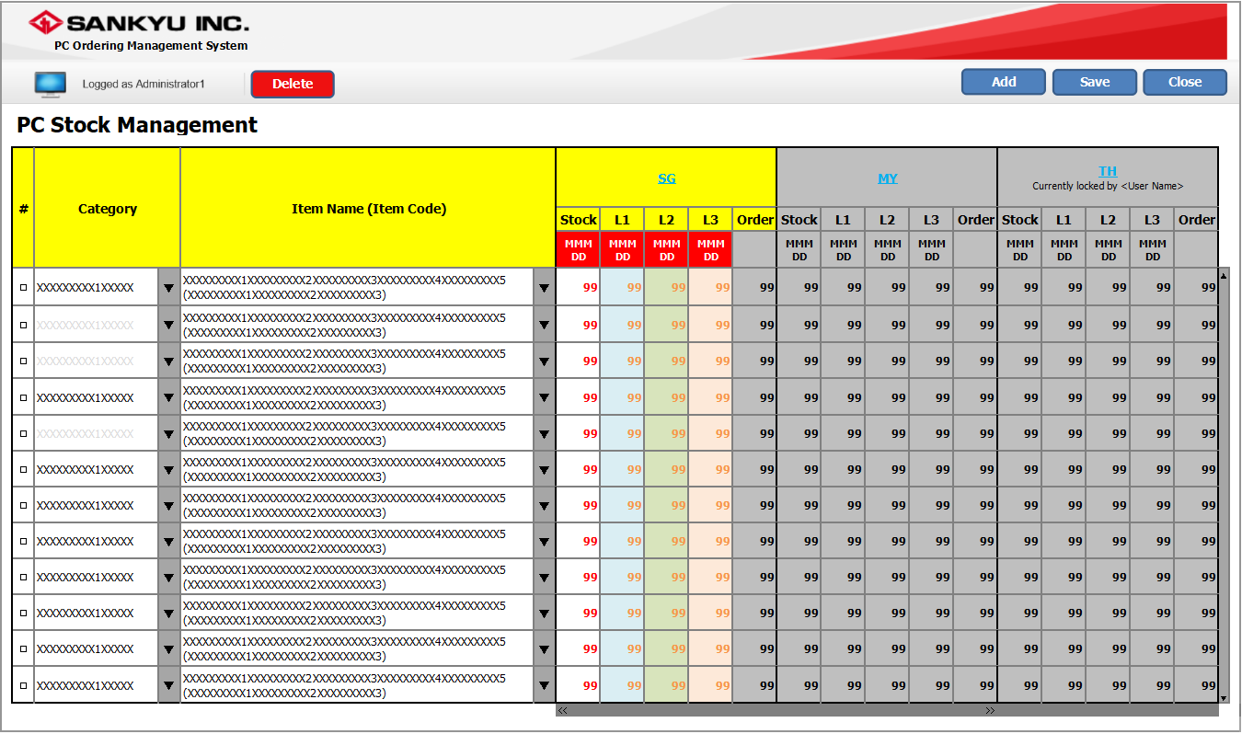

 |  |  |  |  |  |  |  |  |  |  |  |  |  |  |  |  |  |  |  |  |  |  | *Updated 17/Apr

 | ※ [Item Name (Item Code)] column and header row needs to be "frozen".
 | ※ When the user opens the screen for the first time, the table will be empty (no rows). Subsequent opening of the screen will show records from [STOCK].
 | ※ Upon opening this screen, it will show records where [STOCK].DELETE_FG = NULL.
 | ※ When user opens this screen, all Countries are DISABLED. |  |  |  |  |  |  |  |  |  |  |  |  |  |  |  |  |  |  |  |  |  | *Updated 17/Apr

2. Screen Description

 | This screen is used to manage the stock of each item.

3. Item Definition

 | # |  | Item |  |  |  | Type | TAB | Digit | Format |  | Character |  | Mandatory |  | Initial |  | Remarks
 | 1 |  | Selection |  |  |  | CheckBox | 1 | - | - |  | - |  | - |  | - |  | -
 | 2 |  | Category |  |  |  | ComboBox | 2 | 10 | - |  | Alphanumeric |  | Y |  | [CATEGORY_MST] |  | CATEGORY_NAME * where CATEGORY_CD = [STOCK].CATEGORY_CD Order By [STOCK].DISPLAY_ORDER |  |  |  |  | *Updated 17/Apr
 | 3 |  | Item Name (Item Code) |  |  |  | ComboBox | 3 | 80 | - |  | Alphanumeric |  | Y |  | [ITEM_MST] |  | ITEM_NAME + " (" + ITEM_CD + ")" * where ITEM_CD = [STOCK].ITEM_CD and [ITEM_MST].DELETE_FG = "" and [ITEM_MST].NO_USE_FG = "" and [ITEM_MST].CATEGORY_CD = Category |  |  |  |  | *Updated 17/Apr
 | foreach([STOCK].COUNTRY_CD) if [STOCK].EXCLUSIVE_FG = "1" AND [STOCK].UPDATED_USER = Current User → ENABLE else → DISABLE |  |  |  |  |  |  |  |  |  |  |  |  |  |  |  |  |  |  |  |  |  | *Updated 17/Apr
 | 4 |  | Country Code |  |  |  | LinkLabel | 4 | - | - |  | - |  | - |  | [STOCK] |  | COUNTRY_CD |  |  |  |  | *Updated 17/Apr
 | 5 |  | Locked by User |  |  |  | Label | 5 | - | "Currently locked by <[USER_MST].USER_NAME>" |  | - |  | - |  | [USER_MST] |  | if [STOCK].EXCLUSIVE_FG = "1" where [STOCK].COUNTRY_CD = Country Code → [USER_MST].USER_NAME where [USER_MST].USER_ID = [STOCK].UPDATED_USER |  |  |  |  | *Updated 17/Apr
 | 6 |  | STOCK - Date |  |  |  | DatePicker | 6 | - | MMM DD |  | - |  | - |  | [STOCK] |  | QTY1_LOI |  |  |  |  | *Updated 17/Apr
 | 7 |  | L1 - Date |  |  |  | DatePicker | 7 | - | MMM DD |  | - |  | - |  | [STOCK] |  | QTY2_LOI |  |  |  |  | *Updated 17/Apr
 | 8 |  | L2 - Date |  |  |  | DatePicker | 8 | - | MMM DD |  | - |  | - |  | [STOCK] |  | QTY3_LOI |  |  |  |  | *Updated 17/Apr
 | 9 |  | L3 - Date |  |  |  | DatePicker | 9 | - | MMM DD |  | - |  | - |  | [STOCK] |  | QTY4_LOI |  |  |  |  | *Updated 17/Apr
 | 10 |  | STOCK - Qty |  |  |  | TextBox | 10 | 3 | - |  | Numeric |  | - |  | [STOCK] |  | QTY1 |  |  |  |  | *Updated 17/Apr
 | 11 |  | L1 - Qty |  |  |  | TextBox | 11 | 3 | - |  | Numeric |  | - |  | [STOCK] |  | QTY2 |  |  |  |  | *Updated 17/Apr
 | 12 |  | L2 - Qty |  |  |  | TextBox | 12 | 3 | - |  | Numeric |  | - |  | [STOCK] |  | QTY3 |  |  |  |  | *Updated 17/Apr
 | 13 |  | L3 - Qty |  |  |  | TextBox | 13 | 3 | - |  | Numeric |  | - |  | [STOCK] |  | QTY4 |  |  |  |  | *Updated 17/Apr
 | 14 |  | ORDER |  |  |  | Label | - | 2 | - |  | Numeric |  | - |  | [STOCK] [ORDER_DTL] [ORDERS] |  | SUM([ORDER_DTL].ITEM_QTY) - SUM([ORDER_DTL].KDDI_DELIVER_QTY) where [ORDER_DTL].ITEM_CD = [STOCK].ITEM_CD and [ORDER_DTL].ORDER_ID = [ORDERS].ORDER_ID and [ORDERS].COUNTRY_CD = [STOCK].COUNTRY_CD |  |  |  |  | *Updated 17/Apr

 | ※ [Category] values are retrieved from: |  |  |  |  |  |  |  | [CATEGORY_MST].CATEGORY_NAME
 | ※ [Item Name (Item Codes)] values are retrieved from: |  |  |  |  |  |  |  | [ITEM_MST].ITEM_NAME + " (" + [ITEM_MST].ITEM_CD + ")"
 |  |  |  |  |  |  |  |  | where [ACTIVE_MST].CATEGORY_CD = [Category]
 |  |  |  |  |  |  |  |  | and [ACTIVE_MST].ITEM_CD = [ITEM_MST].ITEM_CD
 | ※ When a new row is added, [STOCK - Qty], [L1 - Qty], [L2 - Qty] and [L3 - Qty] values are "0" in light grey text (by default). |  |  |  |  |  |  |  |  |  |  |  |  |  |  |  |  |  |  |  |  |  | *Updated 17/Apr
 | ※ When a new row is added, [L1 - Date], [L2 - Date], [L3 - Date] values are EMPTY (by default). |  |  |  |  |  |  |  |  |  |  |  |  |  |  |  |  |  |  |  |  |  | *Updated 17/Apr
 | ※ When Saving, if any [L# - Qty] is not empty, [L# - Date] should not be empty too.
 | ※ If [Category] (row n+1) is the same as [Category] (row n), [Category] (row n+1) is in light grey text.

 | UPDATING COUNTRY DATA |  |  |  |  |  |  |  |  |  |  |  |  |  |  |  |  |  |  |  |  |  | *Updated 17/Apr
 |  | ※ Only ONE Country is ENABLED at any point in time
 |  | ※ When User clicks on a Country:
 |  |  | 1. If [STOCK].EXCLUSIVE_FG = NULL where [STOCK].COUNTRY_CD = Country
 |  |  |  | - UPDATE [STOCK].EXCLUSIVE_FG = "1" AND [STOCK].UPDATED_USER = [Current User].USER_ID where [STOCK].COUNTRY_CD = Country
 |  |  | 2. If [STOCK].EXCLUSIVE_FG = "1" AND [STOCK].UPDATED_USER != [Current User].USER_ID where [STOCK].COUNTRY_CD = Country
 |  |  |  | - Popup Message: "Unable to edit. Currently locked by another user."
 |  |  | 3. If [STOCK].EXCLUSIVE_FG = "1" AND [STOCK].UPDATED_USER = [Current User].USER_ID where [STOCK].COUNTRY_CD = Country
 |  |  |  | 3.1 Perform SAVE where [STOCK].COUNTRY_CD = Country 3.2 Refresh Table Because during Save, [STOCK].EXCLUSIVE_FG will be set to NULL, and therefore Country will be back to DISABLE
 |  |  | 4. If another Country is ALREADY ENABLED by the same User (COUNT(*) > 0 where [STOCK].EXCLUSIVE_FG = "1" AND [STOCK].UPDATED_USER = [Current User].USER_ID AND [STOCK].COUNTRY_CD != Country)
 |  |  |  | Item |  |  | Message |  |  |  |  |  |  |  |  |  | Button
 |  |  |  | Confirm Switch |  |  | There is unsaved data. Switch without saving? |  |  |  |  |  |  |  |  |  | [Yes] / [No]
 |  |  |  | 4.1 If [YES] 4.1.1 Reset to original values and UPDATE [STOCK].EXCLUSIVE_FG = NULL on Previous Country 4.1.2 Perform #1/#2 on the New Country
 |  |  |  | 4.2 If [NO] 4.2.1. Do nothing

 | ADDING NEW ITEM |  |  |  |  |  |  |  |  |  |  |  |  |  |  |  |  |  |  |  |  |  | *Updated 17/Apr
 |  | ※ If Count (*) > 0 where [STOCK].EXCLUSIVE_FG = "1"
 |  |  | - Popup Message: "There is locked data. Unable to add new item."
 |  | ※ If Count (*) = 0 where [STOCK].EXCLUSIVE_FG = "1"
 |  |  | - Disable all [Country Code] link until User performs Save for New Item

4. Control Definition

 | # |  | Item |  |  |  | Type | TAB | Event |  | Shortcut Key |  | Performance |  |  |  |  |  |  |  |  | Popup
 | 1 |  | Add |  |  |  | Button | 8 | Single Click |  | - |  | Add new record. |  |  |  |  |  |  |  |  | Add
 | 2 |  | Save |  |  |  | Button | 9 | Single Click |  | - |  | Save changes. |  |  |  |  |  |  |  |  | Save
 | 3 |  | Delete |  |  |  | Button | 10 | Single Click |  | - |  | Delete records. |  |  |  |  |  |  |  |  | Delete
 | 4 |  | Close |  |  |  | Button | 11 | Single Click |  | - |  | Close screen. |  |  |  |  |  |  |  |  | Close

 | ※ [Close] button checks for any changes on the screen. If there are changes, prompt "Close" popup confirmation. If there are no changes, close the screen.
 | ※ [Add] button will add a new row into table.
 |  | if COUNT(*) > 0 WHERE [STOCK].EXCLUSIVE_FG '1' |  |  |  |  |  |  |  |  |  |  |  |  |  |  |  |  |  |  |  |  | *Updated 7/May
 |  | → DISABLE
 |  | else
 |  | → ENABLE
 | ※ [Delete] button will set [STOCK].DELETE_FG = "1".

5. Sort Condition

 | -

6. Search Condition

 | -

7. Confirmation Message

 | # |  | Item |  |  |  | Message |  |  |  |  |  |  |  |  |  |  |  |  | Button
 | 1 |  | Save |  |  |  | Are you sure you want to save? |  |  |  |  |  |  |  |  |  |  |  |  | [Yes] / [No]
 | 2 |  | Delete |  |  |  | Are you sure you want to delete this configuration? |  |  |  |  |  |  |  |  |  |  |  |  | [Yes] / [No]
 | 3 |  | Close |  |  |  | There are unsaved changes. Do you want to discard the changes and close the screen? |  |  |  |  |  |  |  |  |  |  |  |  | [Yes] / [No]

 | ※ When clicked [Close] → [Yes] button, it will set [STOCK].EXCLUSIVE_FG = "". |  |  |  |  |  |  |  |  |  |  |  |  |  |  |  |  |  |  |  |  |  | *Updated 12/Apr

8. Remarks

 | ※ When a user enters the screen, check [STOCK].EXCLUSIVE_FG and [STOCK].UPDATED_USER. |  |  |  |  |  |  |  |  |  |  |  |  |  |  |  |  |  |  |  |  |  | *Updated 12/Apr
 |  | - If [STOCK].EXCLUSIVE_FG = "1" and [STOCK].UPDATED_USER <> (Current User)
 |  |  | - Show error message "This screen is currently being edited by another user. Please try again later." with [OK] button.
 |  |  | - Exit screen and return to main screen.
 |  |  | - Show message "This screen is currently being edited by another user. Do you wish to view this page as Read-Only?" with [Yes], [No] button.
 |  |  |  | - If [Yes], user remain in this screen with ALL Controls DISABLED except "Close"
 |  |  |  | - If [No], exit screen and return to main screen.
 |  | - If [STOCK].EXCLUSIVE_FG = "1" and [STOCK].UPDATED_USER = (Current User)
 |  |  | - Allow the user to enter the screen.
 |  | - If [STOCK].EXCLUSIVE_FG = "",
 |  |  | - Set [STOCK].EXCLUSIVE_FG = "1".

Output (FA)
 |  |  | BASIC DESIGN |  |  |  |  |  |  |  | SYS-ID |  | POM |  |  | PJT-CD | POMS-001
 |  |  |  |  |  |  |  |  |  |  | SYS-Title |  | SANKYU PC Ordering Management System
 |  |  | Function |  | [FAD001] Management |  |  |  |  |  | Created by |  | Soh |  |  | Updated by | Yang Zhou
 |  |  | Page |  | Output Data Specification |  |  |  |  |  | Date |  | 21-Nov-17 |  |  | Date | 10-Apr-18

Screen |  |  |  | [FA] PC Lease Invoice Data (Monthly) (KDDI) |  |  |  |  |  |  |  |  |  |  |  |  |  | *Updated 10/Apr

1. Output Image
No “COMPANY NAME” for “Total Summary“ sheet
 | Excel Sheet 1 Name: |  |  |  | "Total Summary"
 | (Example: Two (2) orders in "2017")
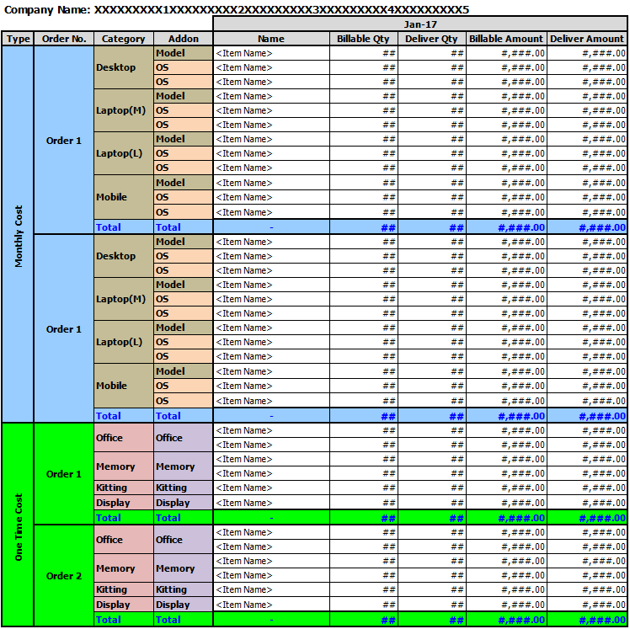

 | Excel Sheet 2~n Name: |  |  |  | foreach [COMPANY_MST].COMPANY_CD
 | (Example: Two (2) orders in "2017")
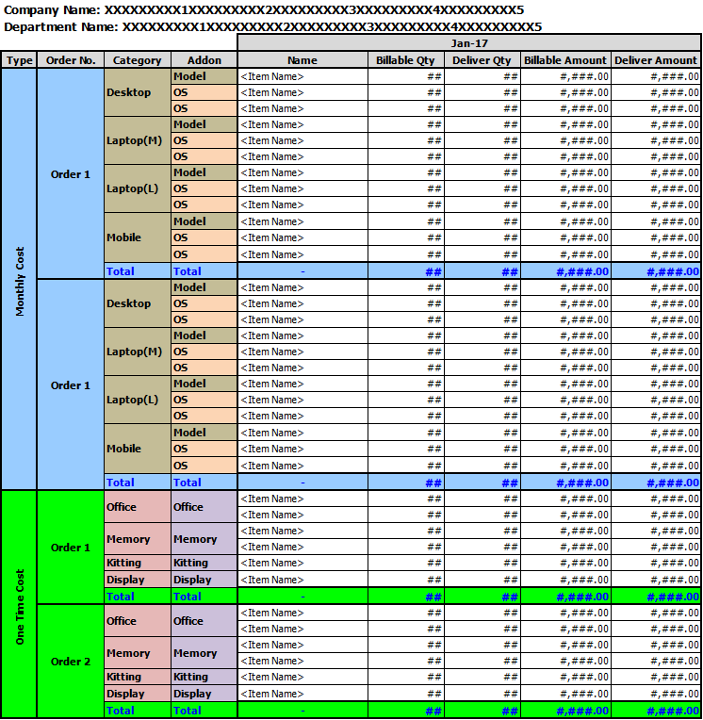

2. Output Description

 | This image shows the format of the output format of the PC Lease Invoice Data excel report by monthly basis.

3. Item Definition

 | File Name: PC_Lease_Invoice_Data_YYMMDD

 | Sheet 2~n: foreach [ORDER].COMPANY_CD and DEPT_CD and ORDER_ID
 | # |  | Item |  |  | Type | TAB | Digit | Format | Character |  | Mandatory |  | Initial | Remarks
 | 1 |  | COMPANY NAME |  |  | Label | - | - | - | Alphanumeric |  | - |  | [COMPANY_MST] | [COMPANY_MST].COMPANY_NAME where [COMPANY_MST].COMPANY_CD = [ORDER].COMPANY_CD
 | 2 |  | DEPARTMENT NAME |  |  | Label | - | - | - | Alphanumeric |  | - |  | [DEPT_MST] | [DEPT_MST].DEPT_NAME where [DEPT_MST].COMPANY_CD = [ORDER].COMPANY_CD and [DEPT_MST].DEPT_CD = [ORDER].DEPT_CD = DEPT_CD

 | Monthly Cost:
 | Sheet 1: "Total Summary" foreach [ORDER].COMPANY_CD and ORDER_ID Sheet 2~n: foreach [ORDER].COMPANY_CD and DEPT_CD and ORDER_ID
 | foreach [ORDER_DTL].CATEGORY_CD and [ORDER_DTL].LEASE_TYPE = "MRC"
 | # |  | Item |  |  | Type | TAB | Digit | Format | Character |  | Mandatory |  | Initial | Remarks
 | 1 |  | Order No. |  |  | Label | - | - | - | Alphanumeric |  | - |  | [ORDER_DTL] | ORDER_ID
 | 2 |  | Category Name |  |  | Label | - | - | - | Alphanumeric |  | - |  | [CATEGORY_MST] | CATEGORY_NAME where CATEGORY_CD = [ORDER_CFG].CATEGORY_CD
 | 3 |  | Addon Name |  |  | Label | - | - | - | Alphanumeric |  | - |  | - | "Model"
 | 4 |  | Name |  |  | Label | - | - | - | Alphanumeric |  | - |  | [ITEM_MST] | ITEM_NAME * where ITEM_CD = [ORDER_DTL].ITEM_CD
 | 5 |  | Billable Quantity |  |  | Label | - | - | - | Alphanumeric |  | - |  | - | ※ See 3.1.
 | 6 |  | Billable Amount |  |  | Label | - | - | - | Alphanumeric |  | - |  | - | ※ See 3.1.
 | 7 |  | Deliver Quantity |  |  | Label | - | - | - | Alphanumeric |  | - |  | - | ※ See 3.1.
 | 8 |  | Deliver Amount |  |  | Label | - | - | - | Alphanumeric |  | - |  | - | ※ See 3.1.
 | 9 |  | Total (Name) |  |  | Label | - | - | - | Alphanumeric |  | - |  | - | "-"
 | 10 |  | Total (Billable Quantity) |  |  | Label | - | - | - | Alphanumeric |  | - |  | - | SUM([Billable Quantity)]
 | 11 |  | Total (Billable Amount) |  |  | Label | - | - | - | Alphanumeric |  | - |  | - | SUM([Billable Amount)]
 | 12 |  | Total (Deliver Quantity) |  |  | Label | - | - | - | Alphanumeric |  | - |  | - | SUM([Deliver Quantity)]
 | 13 |  | Total (Deliver Amount) |  |  | Label | - | - | - | Alphanumeric |  | - |  | - | SUM([Deliver Amount)]
 | 14 |  | Addon Name |  |  | Label | - | - | - | Alphanumeric |  | - |  | [ADDON_MST] | ADDON_NAME where ADDON_CD = [ORDER_CFG].ADDON_CD
 | 15 |  | Name |  |  | Label | - | - | - | Alphanumeric |  | - |  | [ITEM_MST] | ITEM_NAME * where ITEM_CD = [ORDER_DTL].ITEM_CD
 | 16 |  | Billable Quantity |  |  | Label | - | - | - | Alphanumeric |  | - |  | - | ※ See 3.2.
 | 17 |  | Billable Amount |  |  | Label | - | - | - | Alphanumeric |  | - |  | - | ※ See 3.2.
 | 18 |  | Deliver Quantity |  |  | Label | - | - | - | Alphanumeric |  | - |  | - | ※ See 3.2.
 | 19 |  | Deliver Amount |  |  | Label | - | - | - | Alphanumeric |  | - |  | - | ※ See 3.2.
 | 20 |  | Total (Name) |  |  | Label | - | - | - | Alphanumeric |  | - |  | - | "-"
 | 21 |  | Total (Billable Quantity) |  |  | Label | - | - | - | Alphanumeric |  | - |  | - | ※ See 3.3.
 | 22 |  | Total (Billable Amount) |  |  | Label | - | - | - | Alphanumeric |  | - |  | - | ※ See 3.3.
 | 23 |  | Total (Deliver Quantity) |  |  | Label | - | - | - | Alphanumeric |  | - |  | - | ※ See 3.3.
 | 24 |  | Total (Deliver Amount) |  |  | Label | - | - | - | Alphanumeric |  | - |  | - | ※ See 3.3.

 | 3.1. Billable / Deliver ([ORDER_DTL])
 | ※ If [ORDER].BILL_FG = "1" and Current Month >= BILL_MTH_START and Current Month <= BILL_MTH_END,
 |  | [Billable Quantity] = [ORDER_DTL].ITEM_QTY
 |  | [Deliver Quantity] = "0"
 |  | [Billable Amount] = [ORDER_DTL].AMOUNT
 |  | [Deliver Amount] = "0"
 | ※ If [ORDER].BILL_FG = "" and Current Month = [ORDER_LEASE].DELIVER_MTH,
 |  | [Billable Quantity] = ""
 |  | [Deliver Quantity] = COUNT(*) where [ORDER_LEASE].DELIVER_MTH <> NULL
 |  | [Billable Amount] = ""
 |  | [Deliver Amount] = [ORDER_DTL].UNIT_PRICE * [Deliver Quantity]

 | 3.2. Billable / Deliver ([ORDER_CFG])
 | ※ If [ORDER].BILL_FG = "1" and Current Month >= BILL_MTH_START and Current Month <= BILL_MTH_END,
 |  | [Billable Quantity] = [ORDER_CFG].ITEM_QTY
 |  | [Deliver Quantity] = "0"
 |  | [Billable Amount] = [ORDER_CFG].AMOUNT
 |  | [Deliver Amount] = "0"
 | ※ If [ORDER].BILL_FG = "" and Current Month = [ORDER_LEASE].DELIVER_MTH,
 |  | [Billable Quantity] = ""
 |  | [Deliver Quantity] = COUNT(*) where [ORDER_LEASE].DELIVER_MTH <> NULL
 |  | [Billable Amount] = ""
 |  | [Deliver Amount] = [ORDER_CFG].UNIT_PRICE * [Deliver Quantity]

 | 3.3. SUM
 | ※ If [ORDER].BILL_FG = "1" and Current Month >= BILL_MTH_START and Current Month <= BILL_MTH_END,
 |  | [Billable Quantity] = [Billable Quantity] (3.1) + [Billable Quantity] (3.2)
 |  | [Deliver Quantity] = "0"
 |  | [Billable Amount] = [Billable Amount] (3.1) + [Billable Amount] (3.2)
 |  | [Deliver Amount] = "0"
 | ※ If [ORDER].BILL_FG = "" and Current Month = [ORDER_LEASE].DELIVER_MTH,
 |  | [Billable Quantity] = ""
 |  | [Deliver Quantity] = [Deliver Quantity] (3.1) + [Deliver Quantity] (3.2)
 |  | [Billable Amount] = ""
 |  | [Deliver Amount] = [Deliver Amount] (3.1) + [Deliver Amount] (3.2)

 | One Time Cost:
 | Sheet 1: "Total Summary" foreach [ORDER].COMPANY_CD and ORDER_ID Sheet 2~n: foreach [ORDER].COMPANY_CD and DEPT_CD and ORDER_ID
 | foreach [ORDER_CFG].CATEGORY_CD and [ORDER_CFG].LEASE_TYPE = "OTC"
 | # |  | Item |  |  | Type | TAB | Digit | Format | Character |  | Mandatory |  | Initial | Remarks
 | 1 |  | Order No. |  |  | Label | - | - | - | Alphanumeric |  | - |  | [ORDER_DTL] | ORDER_ID
 | 2 |  | Category Name |  |  | Label | - | - | - | Alphanumeric |  | - |  | [CATEGORY_MST] | CATEGORY_NAME where CATEGORY_CD = [ORDER_CFG].CATEGORY_CD
 | 3 |  | Addon Name |  |  | Label | - | - | - | Alphanumeric |  | - |  | [ADDON_MST] | ADDON_NAME where ADDON_CD = [ORDER_CFG].ADDON_CD
 | 4 |  | Name |  |  | Label | - | - | - | Alphanumeric |  | - |  | [ITEM_MST] | ITEM_NAME * where ITEM_CD = [ORDER_DTL].ITEM_CD
 | 5 |  | Billable Quantity |  |  | Label | - | - | - | Alphanumeric |  | - |  | - | ※ See 3.3.
 | 6 |  | Billable Amount |  |  | Label | - | - | - | Alphanumeric |  | - |  | - | ※ See 3.3.
 | 7 |  | Deliver Quantity |  |  | Label | - | - | - | Alphanumeric |  | - |  | - | ※ See 3.3.
 | 8 |  | Deliver Amount |  |  | Label | - | - | - | Alphanumeric |  | - |  | - | ※ See 3.3.
 | 9 |  | Total (Name) |  |  | Label | - | - | - | Alphanumeric |  | - |  | - | "-"
 | 10 |  | Total (Billable Quantity) |  |  | Label | - | - | - | Alphanumeric |  | - |  | - | SUM([Billable Quantity)]
 | 11 |  | Total (Billable Amount) |  |  | Label | - | - | - | Alphanumeric |  | - |  | - | SUM([Billable Amount)]
 | 12 |  | Total (Deliver Quantity) |  |  | Label | - | - | - | Alphanumeric |  | - |  | - | SUM([Deliver Quantity)]
 | 13 |  | Total (Deliver Amount) |  |  | Label | - | - | - | Alphanumeric |  | - |  | - | SUM([Deliver Amount)]

 | 3.3. Billable / Deliver ([ORDER_CFG])
 | ※ If [ORDER].BILL_FG = "1" and Current Month >= BILL_MTH_START and Current Month <= BILL_MTH_END,
 |  | [Billable Quantity] = [ORDER_CFG].ITEM_QTY
 |  | [Deliver Quantity] = "0"
 |  | [Billable Amount] = [ORDER_CFG].AMOUNT
 |  | [Deliver Amount] = "0"
 | ※ If [ORDER].BILL_FG = "" and Current Month = [ORDER_LEASE].DELIVER_MTH,
 |  | [Billable Quantity] = ""
 |  | [Deliver Quantity] = [ORDER_CFG].ITEM_QTY where [ORDER_CFG].LEASE_TYPE = 'OTC' and [ORDER_CFG].ORDER_ID = [ORDER_LEASE].ORDER_ID and [ORDER_CFG].CATEGORY_CD = [ORDER_LEASE].CATEGORY_CD
 |  | [Billable Amount] = ""
 |  | [Deliver Amount] = [ORDER_CFG].UNIT_PRICE * [Deliver Quantity]

4. Control Definition

 | -

5. Sort Condition

 | -

6. Search Condition

 | -

7. Confirmation Message

 | -

8. Remarks

 | -

Output (FD)
 |  |  | BASIC DESIGN |  |  |  |  |  |  |  | SYS-ID |  | POM |  |  | PJT-CD | POMS-001
 |  |  |  |  |  |  |  |  |  |  | SYS-Title |  | SANKYU PC Ordering Management System
 |  |  | Function |  | [FAD001] Management |  |  |  |  |  | Created by |  | Yang Zhou |  |  | Updated by
 |  |  | Page |  | Output Data Specification |  |  |  |  |  | Date |  | 10-Apr-18 |  |  | Date

Screen |  |  |  | [FD] PC Lease Invoice Data (Yearly) (KDDI)

1. Output Image
No “COMPANY NAME” for “Total Summary“ sheet
 | Excel Sheet 1 Name: |  |  |  | "Total Summary"
 | (Example: Two (2) orders in "2017")

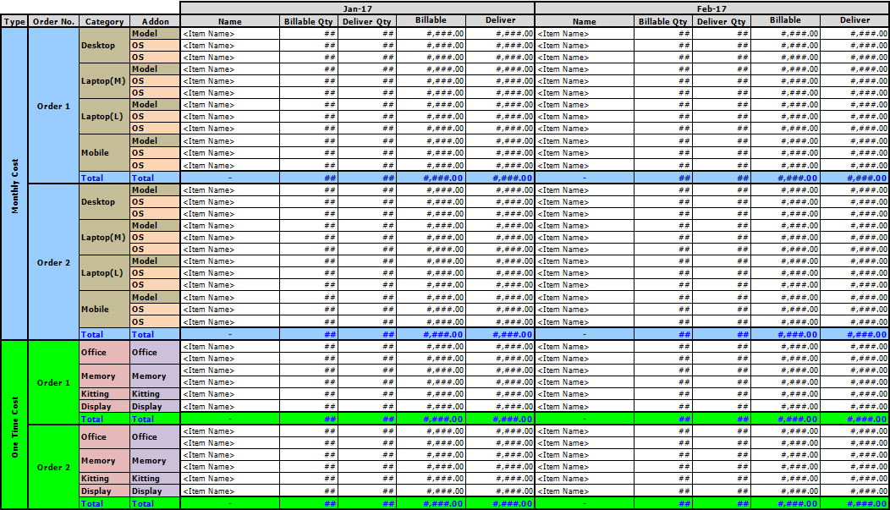

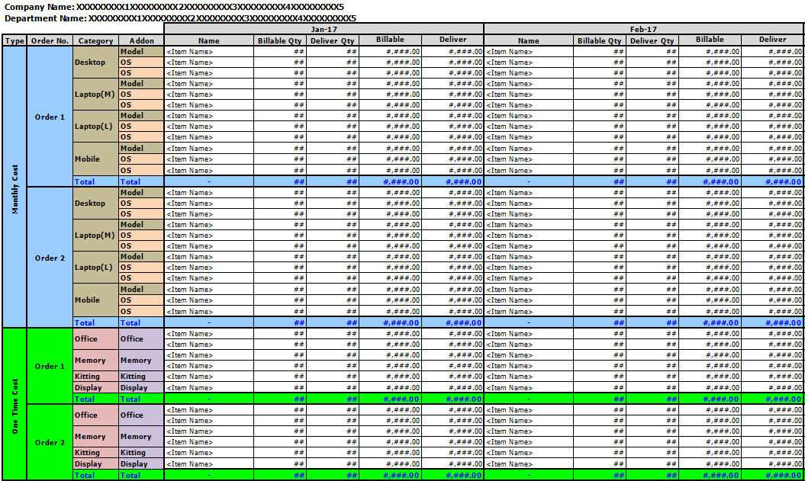
 | Excel Sheet 2~n Name: |  |  |  | foreach [COMPANY_MST].COMPANY_CD
 | (Example: Two (2) orders in "2017")

2. Output Description

 | This image shows the format of the output format of the PC Lease Invoice Data excel report by monthly basis.

3. Item Definition

 | File Name: PC_Lease_Invoice_Data_YYYY

 | Sheet 2~n: foreach [ORDER].COMPANY_CD and DEPT_CD and ORDER_ID
 | # |  | Item |  |  | Type | TAB | Digit | Format | Character |  | Mandatory |  | Initial | Remarks
 | 1 |  | COMPANY NAME |  |  | Label | - | - | - | Alphanumeric |  | - |  | [COMPANY_MST] | [COMPANY_MST].COMPANY_NAME where [COMPANY_MST].COMPANY_CD = [ORDER].COMPANY_CD
 | 2 |  | DEPARTMENT NAME |  |  | Label | - | - | - | Alphanumeric |  | - |  | [DEPT_MST] | [DEPT_MST].DEPT_NAME where [DEPT_MST].COMPANY_CD = [ORDER].COMPANY_CD and [DEPT_MST].DEPT_CD = [ORDER].DEPT_CD = DEPT_CD

 | Monthly Cost:
 | Sheet 1: "Total Summary" foreach [ORDER].COMPANY_CD and ORDER_ID Sheet 2~n: foreach [ORDER].COMPANY_CD and DEPT_CD and ORDER_ID
 | foreach [ORDER_DTL].CATEGORY_CD and [ORDER_DTL].LEASE_TYPE = "MRC"
 | # |  | Item |  |  | Type | TAB | Digit | Format | Character |  | Mandatory |  | Initial | Remarks
 | 1 |  | Order No. |  |  | Label | - | - | - | Alphanumeric |  | - |  | [ORDER_DTL] | ORDER_ID
 | 2 |  | Category Name |  |  | Label | - | - | - | Alphanumeric |  | - |  | [CATEGORY_MST] | CATEGORY_NAME where CATEGORY_CD = [ORDER_CFG].CATEGORY_CD
 | 3 |  | Addon Name |  |  | Label | - | - | - | Alphanumeric |  | - |  | - | "Model"
 | 4 |  | Name |  |  | Label | - | - | - | Alphanumeric |  | - |  | [ITEM_MST] | ITEM_NAME * where ITEM_CD = [ORDER_DTL].ITEM_CD
 | 5 |  | Billable Quantity |  |  | Label | - | - | - | Alphanumeric |  | - |  | - | ※ See 3.1.
 | 6 |  | Billable Amount |  |  | Label | - | - | - | Alphanumeric |  | - |  | - | ※ See 3.1.
 | 7 |  | Deliver Quantity |  |  | Label | - | - | - | Alphanumeric |  | - |  | - | ※ See 3.1.
 | 8 |  | Deliver Amount |  |  | Label | - | - | - | Alphanumeric |  | - |  | - | ※ See 3.1.
 | 9 |  | Total (Name) |  |  | Label | - | - | - | Alphanumeric |  | - |  | - | "-"
 | 10 |  | Total (Billable Quantity) |  |  | Label | - | - | - | Alphanumeric |  | - |  | - | SUM([Billable Quantity)]
 | 11 |  | Total (Billable Amount) |  |  | Label | - | - | - | Alphanumeric |  | - |  | - | SUM([Billable Amount)]
 | 12 |  | Total (Deliver Quantity) |  |  | Label | - | - | - | Alphanumeric |  | - |  | - | SUM([Deliver Quantity)]
 | 13 |  | Total (Deliver Amount) |  |  | Label | - | - | - | Alphanumeric |  | - |  | - | SUM([Deliver Amount)]
 | 14 |  | Addon Name |  |  | Label | - | - | - | Alphanumeric |  | - |  | [ADDON_MST] | ADDON_NAME where ADDON_CD = [ORDER_CFG].ADDON_CD
 | 15 |  | Name |  |  | Label | - | - | - | Alphanumeric |  | - |  | [ITEM_MST] | ITEM_NAME * where ITEM_CD = [ORDER_DTL].ITEM_CD
 | 16 |  | Billable Quantity |  |  | Label | - | - | - | Alphanumeric |  | - |  | - | ※ See 3.2.
 | 17 |  | Billable Amount |  |  | Label | - | - | - | Alphanumeric |  | - |  | - | ※ See 3.2.
 | 18 |  | Deliver Quantity |  |  | Label | - | - | - | Alphanumeric |  | - |  | - | ※ See 3.2.
 | 19 |  | Deliver Amount |  |  | Label | - | - | - | Alphanumeric |  | - |  | - | ※ See 3.2.
 | 20 |  | Total (Name) |  |  | Label | - | - | - | Alphanumeric |  | - |  | - | "-"
 | 21 |  | Total (Billable Quantity) |  |  | Label | - | - | - | Alphanumeric |  | - |  | - | ※ See 3.3.
 | 22 |  | Total (Billable Amount) |  |  | Label | - | - | - | Alphanumeric |  | - |  | - | ※ See 3.3.
 | 23 |  | Total (Deliver Quantity) |  |  | Label | - | - | - | Alphanumeric |  | - |  | - | ※ See 3.3.
 | 24 |  | Total (Deliver Amount) |  |  | Label | - | - | - | Alphanumeric |  | - |  | - | ※ See 3.3.

 | For Each Current Month in Year
 | 3.1. Billable / Deliver ([ORDER_DTL])
 | ※ If [ORDER].BILL_FG = "1" and Current Month >= BILL_MTH_START and Current Month <= BILL_MTH_END,
 |  | [Billable Quantity] = [ORDER_DTL].ITEM_QTY
 |  | [Deliver Quantity] = "0"
 |  | [Billable Amount] = [ORDER_DTL].AMOUNT
 |  | [Deliver Amount] = "0"
 | ※ If [ORDER].BILL_FG = "" and Current Month = [ORDER_LEASE].DELIVER_MTH,
 |  | [Billable Quantity] = ""
 |  | [Deliver Quantity] = COUNT(*) where [ORDER_LEASE].DELIVER_MTH <> NULL
 |  | [Billable Amount] = ""
 |  | [Deliver Amount] = [ORDER_DTL].UNIT_PRICE * [Deliver Quantity]

 | 3.2. Billable / Deliver ([ORDER_CFG])
 | ※ If [ORDER].BILL_FG = "1" and Current Month >= BILL_MTH_START and Current Month <= BILL_MTH_END,
 |  | [Billable Quantity] = [ORDER_CFG].ITEM_QTY
 |  | [Deliver Quantity] = "0"
 |  | [Billable Amount] = [ORDER_CFG].AMOUNT
 |  | [Deliver Amount] = "0"
 | ※ If [ORDER].BILL_FG = "" and Current Month = [ORDER_LEASE].DELIVER_MTH,
 |  | [Billable Quantity] = ""
 |  | [Deliver Quantity] = COUNT(*) where [ORDER_LEASE].DELIVER_MTH <> NULL
 |  | [Billable Amount] = ""
 |  | [Deliver Amount] = [ORDER_CFG].UNIT_PRICE * [Deliver Quantity]

 | 3.3. SUM
 | ※ If [ORDER].BILL_FG = "1" and Current Month >= BILL_MTH_START and Current Month <= BILL_MTH_END,
 |  | [Billable Quantity] = [Billable Quantity] (3.1) + [Billable Quantity] (3.2)
 |  | [Deliver Quantity] = "0"
 |  | [Billable Amount] = [Billable Amount] (3.1) + [Billable Amount] (3.2)
 |  | [Deliver Amount] = "0"
 | ※ If [ORDER].BILL_FG = "" and Current Month = [ORDER_LEASE].DELIVER_MTH,
 |  | [Billable Quantity] = ""
 |  | [Deliver Quantity] = [Deliver Quantity] (3.1) + [Deliver Quantity] (3.2)
 |  | [Billable Amount] = ""
 |  | [Deliver Amount] = [Deliver Amount] (3.1) + [Deliver Amount] (3.2)

 | One Time Cost:
 | Sheet 1: "Total Summary" foreach [ORDER].COMPANY_CD and ORDER_ID Sheet 2~n: foreach [ORDER].COMPANY_CD and DEPT_CD and ORDER_ID
 | foreach [ORDER_CFG].CATEGORY_CD and [ORDER_CFG].LEASE_TYPE = "OTC"
 | # |  | Item |  |  | Type | TAB | Digit | Format | Character |  | Mandatory |  | Initial | Remarks
 | 1 |  | Order No. |  |  | Label | - | - | - | Alphanumeric |  | - |  | [ORDER_DTL] | ORDER_ID
 | 2 |  | Category Name |  |  | Label | - | - | - | Alphanumeric |  | - |  | [CATEGORY_MST] | CATEGORY_NAME where CATEGORY_CD = [ORDER_CFG].CATEGORY_CD
 | 3 |  | Addon Name |  |  | Label | - | - | - | Alphanumeric |  | - |  | [ADDON_MST] | ADDON_NAME where ADDON_CD = [ORDER_CFG].ADDON_CD
 | 4 |  | Name |  |  | Label | - | - | - | Alphanumeric |  | - |  | [ITEM_MST] | ITEM_NAME * where ITEM_CD = [ORDER_DTL].ITEM_CD
 | 5 |  | Billable Quantity |  |  | Label | - | - | - | Alphanumeric |  | - |  | - | ※ See 3.3.
 | 6 |  | Billable Amount |  |  | Label | - | - | - | Alphanumeric |  | - |  | - | ※ See 3.3.
 | 7 |  | Deliver Quantity |  |  | Label | - | - | - | Alphanumeric |  | - |  | - | ※ See 3.3.
 | 8 |  | Deliver Amount |  |  | Label | - | - | - | Alphanumeric |  | - |  | - | ※ See 3.3.
 | 9 |  | Total (Name) |  |  | Label | - | - | - | Alphanumeric |  | - |  | - | "-"
 | 10 |  | Total (Billable Quantity) |  |  | Label | - | - | - | Alphanumeric |  | - |  | - | SUM([Billable Quantity)]
 | 11 |  | Total (Billable Amount) |  |  | Label | - | - | - | Alphanumeric |  | - |  | - | SUM([Billable Amount)]
 | 12 |  | Total (Deliver Quantity) |  |  | Label | - | - | - | Alphanumeric |  | - |  | - | SUM([Deliver Quantity)]
 | 13 |  | Total (Deliver Amount) |  |  | Label | - | - | - | Alphanumeric |  | - |  | - | SUM([Deliver Amount)]

 | For Each Current Month in Year
 | 3.3. Billable / Deliver ([ORDER_CFG])
 | ※ If [ORDER].BILL_FG = "1" and Current Month >= BILL_MTH_START and Current Month <= BILL_MTH_END,
 |  | [Billable Quantity] = [ORDER_CFG].ITEM_QTY
 |  | [Deliver Quantity] = "0"
 |  | [Billable Amount] = [ORDER_CFG].AMOUNT
 |  | [Deliver Amount] = "0"
 | ※ If [ORDER].BILL_FG = "" and Current Month = [ORDER_LEASE].DELIVER_MTH,
 |  | [Billable Quantity] = ""
 |  | [Deliver Quantity] = [ORDER_CFG].ITEM_QTY where [ORDER_CFG].LEASE_TYPE = 'OTC' and [ORDER_CFG].ORDER_ID = [ORDER_LEASE].ORDER_ID and [ORDER_CFG].CATEGORY_CD = [ORDER_LEASE].CATEGORY_CD
 |  | [Billable Amount] = ""
 |  | [Deliver Amount] = [ORDER_CFG].UNIT_PRICE * [Deliver Quantity]

4. Control Definition

 | -

5. Sort Condition

 | -

6. Search Condition

 | -

7. Confirmation Message

 | -

8. Remarks

 | -

